Flow
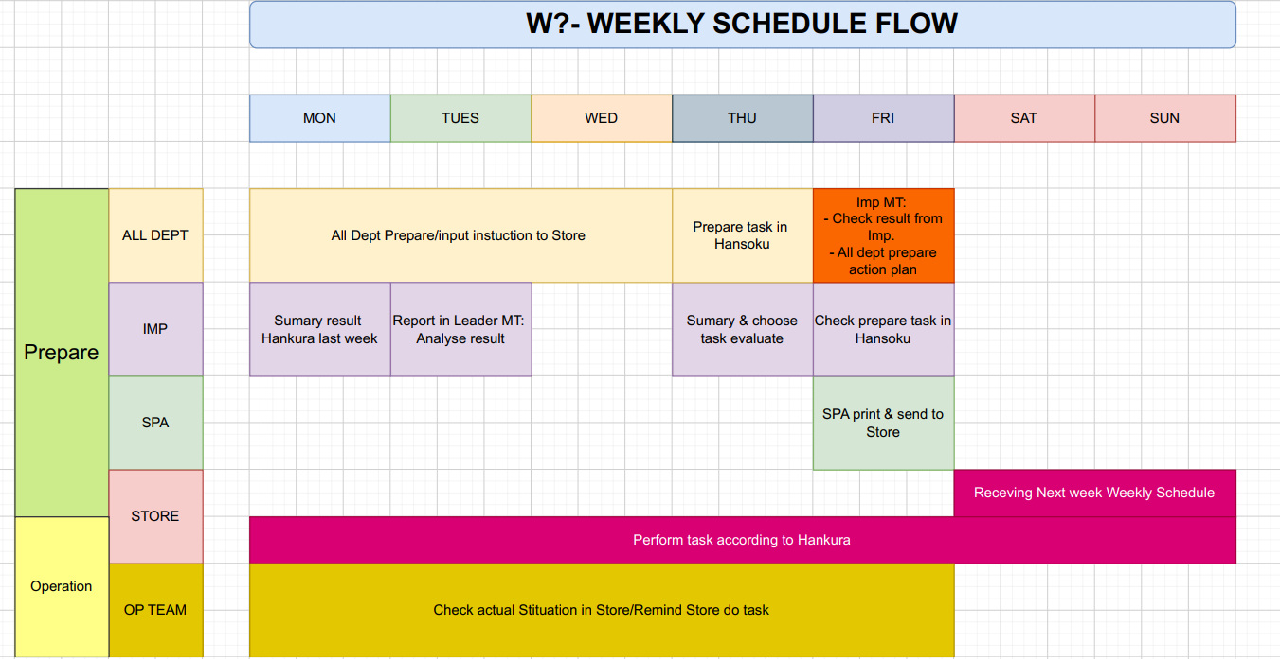

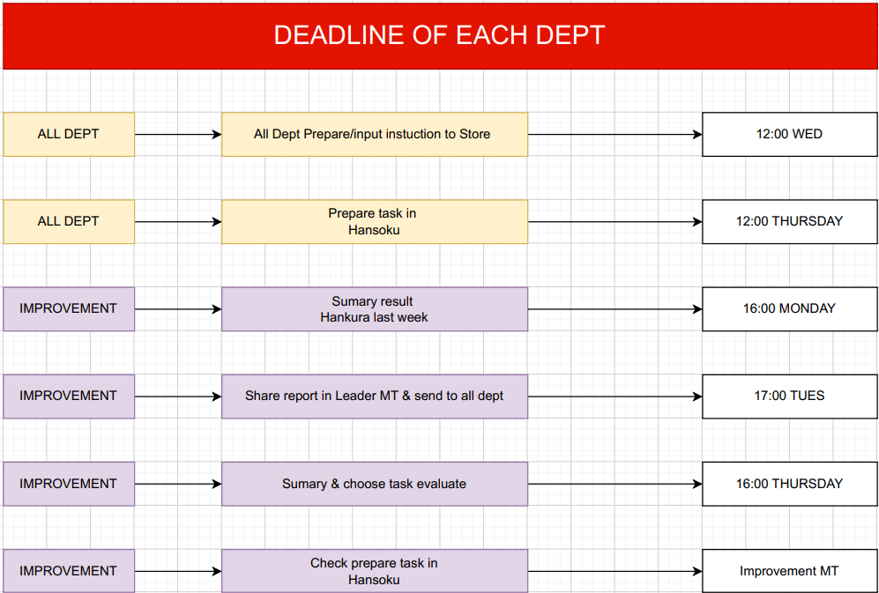

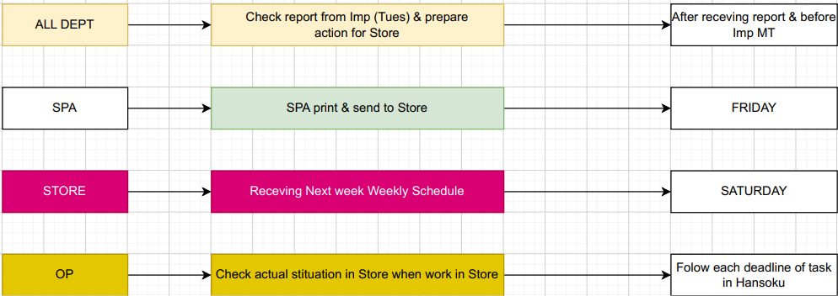

Summary Q1
Store complete ratio

Store | W10 | W11 | W12 | W13 | W14 | W15 | W16 | W17 | W18 | W19 | W20 | W21 | W22 | Average
3002-Ecopark | 100% | 95% | 79% | 100% | 100% | 100% | 100% | 100% | 100% | 100% | 100% | 100% | 100% | 98%
3003-Riverside | 100% | 82% | 100% | 90% | 90% | 100% | 71% | 65% | 79% | 93% | 81% | 100% | 100% | 89%
3005-Horizon | 100% | 90% | 100% | 100% | 100% | 100% | 86% | 83% | 93% | 100% | 100% | 86% | 91% | 95%
3008-Hyundai | 92% | 100% | 100% | 100% | 100% | 100% | 93% | 95% | 92% | 100% | 100% | 100% | 100% | 98%
3011-Thăng Long | 100% | 100% | 100% | 95% | 95% | 95% | 81% | 90% | 93% | 58% | 100% | 86% | 90% | 91%
3013-Lotus | 92% | 86% | 85% | 89% | 89% | 90% | 56% | 86% | 79% | 83% | 80% | 95% | 67% | 83%
3014-Linh Đàm | 100% | 95% | 100% | 100% | 100% | 100% | 87% | 80% | 93% | 92% | 100% | 90% | 83% | 94%
3015-Westbay | 100% | 100% | 100% | 89% | 89% | 100% | 100% | 100% | 100% | 92% | 100% | 100% | 100% | 98%
3016-Ocean Park | 100% | 100% | 100% | 100% | 100% | 100% | 100% | 100% | 100% | 100% | 100% | 100% | 100% | 100%
3018-Lĩnh Nam | 100% | 100% | 85% | 100% | 100% | 95% | 100% | 94% | 100% | 92% | 94% | 85% | 80% | 94%
3019-The Five | 100% | 90% | 100% | 100% | 100% | 100% | 93% | 100% | 100% | 100% | 87% | 100% | 92% | 97%
3020-Eco Rừng Cọ | 100% | 100% | 100% | 100% | 100% | 100% | 100% | 100% | 100% | 100% | 100% | 100% | 100% | 100%
3022-Florence | 100% | 100% | 93% | 100% | 100% | 100% | 93% | 100% | 93% | 100% | 100% | 100% | 91% | 98%
3023-Kosmo | 92% | 90% | 100% | 100% | 100% | 90% | 93% | 84% | 79% | 100% | 100% | 100% | 100% | 95%
3024-Lacasta | 100% | 100% | 100% | 100% | 100% | 100% | 100% | 76% | 87% | 92% | 100% | 100% | 83% | 95%
3027-Zenpark | 100% | 100% | 92% | 74% | 74% | 80% | 87% | 88% | 93% | 73% | 100% | 100% | 91% | 89%
3028-Nam Trung Yên | 100% | 95% | 100% | 95% | 95% | 95% | 93% | 100% | 93% | 100% | 100% | 86% | 91% | 96%
3030-Sky Oasis | 100% | 82% | 92% | 63% | 63% | 90% | 81% | 89% | 79% | 75% | 81% | 100% | 90% | 83%
3031-Symphony | 100% | 100% | 79% | 100% | 100% | 100% | 88% | 100% | 86% | 100% | 100% | 100% | 82% | 95%
3032-Five Star | 100% | 100% | 100% | 100% | 100% | 100% | 94% | 100% | 100% | 100% | 93% | 100% | 83% | 98%
3033-Sapphire | 100% | 100% | 100% | 100% | 100% | 100% | 100% | 95% | 93% | 100% | 100% | 100% | 100% | 99%
3034-Landmark | 92% | 100% | 100% | 95% | 95% | 100% | 100% | 100% | 93% | 92% | 94% | 95% | 75% | 95%
3035-Masteri |  |  |  |  |  |  | 79% | 84% | 93% | 73% | 94% | 81% | 91% | 85%
3036-Royal City |  |  |  |  |  | 93% | 81% | 94% | 64% | 73% | 100% | 95% | 100% | 88%

HQ Task review
30

Số lượng
23
21
21
22
20
19
18
18
16
63%
15
14
14
57%
13
71%
52%
64%
11
61%
50%
58%
70%
89%
57%
64%
73%
92%
82%
42%
43%

 | W14 | W15 | W16 | W17 | W18 | W19 | W20 | W21 | W22 | W23 | W24 | W25 | W26 | W27 | W28
Unplan | 11 | 7 | 6 | 6 | 2 | 4 | 10 | 10 | 1 | 8 | 8 | 8 | 6 | 2 | 5
Plan | 19 | 11 | 14 | 15 | 16 | 11 | 11 | 13 | 12 | 14 | 8 | 11 | 8 | 9 | 9
 | 37% | 39% | 30% | 29% | 11% | 27% | 48% | 43% | 8% | 36% | 50% | 42% | 43% | 18% | 36%
 | 63% | 61% | 70% | 71% | 89% | 73% | 52% | 57% | 92% | 64% | 50% | 58% | 57% | 82% | 64%

Summary Q2
Store complete ratio
 | 3002-Ecopark | 3003-Riverside | 3005-Horizon | 3008-Hyundai | 3011-Thăng Long | 3013-Lotus | 3014-Linh Đàm | 3015-Westbay | 3016-Ocean Park | 3018-Lĩnh Nam | 3019-The Five | 3020-Eco Rừng Cọ
W22 | 100% | 100% | 91% | 100% | 90% | 67% | 83% | 100% | 100% | 80% | 92% | 100%
W23 | 100% | 93% | 93% | 100% | 93% | 73% | 77% | 93% | 93% | 93% | 100% | 100%
W24 | 100% | 93% | 93% | 85% | 92% | 100% | 79% | 100% | 100% | 85% | 93% | 100%
W25 | 100% | 93% | 100% | 92% | 79% | 100% | 80% | 100% | 100% | 100% | 88% | 94%
W26 | 100% | 100% | 93% | 92% | 100% | 100% | 87% | 100% | 100% | 100% | 100% | 100%
W27 | 100% | 100% | 100% | 90% | 100% | 91% | 100% | 100% | 100% | 100% | 91% | 92%
W28 | 100% | 100% | 83% | 92% | 92% | 92% | 100% | 100% | 100% | 100% | 92% | 93%
W29
W30
W31
W32
W33
W34

Store | W22 | W23 | W24 | W25 | W26 | W27 | W28 | W29 | W30 | W31 | W32 | W33 | W34 | Average
3002-Ecopark | 100% | 100% | 100% | 100% | 100% | 100% | 100% |  |  |  |  |  |  | 100%
3003-Riverside | 100% | 93% | 93% | 93% | 100% | 100% | 100% |  |  |  |  |  |  | 97%
3005-Horizon | 91% | 93% | 93% | 100% | 93% | 100% | 83% |  |  |  |  |  |  | 93%
3008-Hyundai | 100% | 100% | 85% | 92% | 92% | 90% | 92% |  |  |  |  |  |  | 93%
3011-Thăng Long | 90% | 93% | 92% | 79% | 100% | 100% | 92% |  |  |  |  |  |  | 92%
3013-Lotus | 67% | 73% | 100% | 100% | 100% | 91% | 92% |  |  |  |  |  |  | 89%
3014-Linh Đàm | 83% | 77% | 79% | 80% | 87% | 100% | 100% |  |  |  |  |  |  | 86%
3015-Westbay | 100% | 93% | 100% | 100% | 100% | 100% | 100% |  |  |  |  |  |  | 99%
3016-Ocean Park | 100% | 93% | 100% | 100% | 100% | 100% | 100% |  |  |  |  |  |  | 99%
3018-Lĩnh Nam | 80% | 93% | 85% | 100% | 100% | 100% | 100% |  |  |  |  |  |  | 94%
3019-The Five | 92% | 100% | 93% | 88% | 100% | 91% | 92% |  |  |  |  |  |  | 94%
3020-Eco Rừng Cọ | 100% | 100% | 100% | 94% | 100% | 92% | 93% |  |  |  |  |  |  | 97%
3022-Florence | 91% | 100% | 100% | 100% | 100% | 100% | 100% |  |  |  |  |  |  | 99%
3023-Kosmo | 100% | 92% | 100% | 100% | 93% | 100% | 100% |  |  |  |  |  |  | 98%
3024-Lacasta | 83% | 86% | 87% | 82% | 75% | 92% | 92% |  |  |  |  |  |  | 85%
3027-Zenpark | 91% | 100% | 100% | 100% | 87% | 100% | 86% |  |  |  |  |  |  | 95%
3028-Nam Trung Yên | 91% | 86% | 100% | 100% | 94% | 90% | 100% |  |  |  |  |  |  | 94%
3030-Sky Oasis | 90% | 85% | 38% | 64% | 100% | 100% | 100% |  |  |  |  |  |  | 82%
3031-Symphony | 82% | 93% | 100% | 100% | 86% | 91% | 77% |  |  |  |  |  |  | 90%
3032-Five Star | 83% | 92% | 93% | 94% | 86% | 91% | 92% |  |  |  |  |  |  | 90%
3033-Sapphire | 100% | 100% | 100% | 86% | 92% | 100% | 100% |  |  |  |  |  |  | 97%
57%
3034-Landmark | 75% | 80% | 67% | 94% | 94% | 67% | 86% |  |  |  |  |  |  | 80%
3035-Masteri | 91% | 100% | 93% | 88% | 100% | 100% | 93% |  |  |  |  |  |  | 95%
3036-Royal City | 100% | 86% | 100% | 88% | 100% | 100% | 92% |  |  |  |  |  |  | 95%
3037-Haven Park |  | 88% | 79% | 94% | 88% | 100% | 100% |  |  |  |  |  |  | 91%

HQ Task review

Số lượng
22
16

16
14
13
64%
14
58%
11
50%
57%
64%
92%
82%
36%
50%
42%
43%
36%
8%
18%

Dept | W22 |  | W23 |  | W24 |  | W25 |  | W26 |  | W27 |  | W28 |  | W29 |  | W30 |  | W31 |  | W32 |  | W33 |  | W34
 | Planed | Unplaned | Planed | Unplaned | Planed | Unplaned | Planed | Unplaned | Planed | Unplaned | Planed | Unplaned | Planed | Unplaned | Planed | Unplaned | Planed | Unplaned | Planed | Unplaned | Planed | Unplaned | Planed | Unplaned | Planed | Unplaned
Admin | 1 | 0 | 0 | 1 | 2 | 1 | 0 | 1 | 0 | 2 | 1 | 0 | 0 | 1
Planning | 3 | 0 | 4 | 2 | 2 | 1 | 3 | 1 | 1 | 1 | 0 | 1 | 1 | 1
SPA/MKT | 3 | 0 | 2 | 0 | 1 | 0 | 3 | 0 | 0 | 1 | 3 | 0 | 1 | 0
IMP | 1 | 0 | 1 | 0 | 3 | 0 | 1 | 0 | 1 | 0 | 2 | 0 | 2 | 0
HR/Control | 0 | 0 | 0 | 0 | 0 | 0 | 0 | 0 | 0 | 0 | 0 | 0 | 0 | 0
Dry Food | 0 | 0 | 1 | 0 | 0 | 1 | 0 | 1 | 0 | 0 | 0 | 0 | 0 | 0
Delica/D&D | 0 | 1 | 1 | 5 | 0 | 1 | 1 | 4 | 0 | 1 | 0 | 1 | 3 | 1
Perish | 0 | 0 | 0 | 0 | 0 | 0 | 0 | 1 | 2 | 0 | 0 | 0 | 0 | 2
Aeon CF | 4 | 0 | 4 | 0 | 0 | 3 | 3 | 0 | 4 | 1 | 3 | 0 | 2 | 0
CS | 0 | 0 | 1 | 0 | 0 | 1 | 0 | 0 | 0 | 0 | 0 | 0 | 0 | 0
Total | 12 | 1 | 14 | 8 | 8 | 8 | 11 | 8 | 8 | 6 | 9 | 2 | 9 | 5 | 0 | 0 | 0 | 0 | 0 | 0 | 0 | 0 | 0 | 0 | 0 | 0
Total all task | 13 |  | 22 |  | 16 |  | 19 |  | 14 |  | 11 |  | 14 |  | 0 |  | 0 |  | 0 |  | 0 |  | 0 |  | 0
 | W22 | W23 | W24 | W25 | W26 | W27 | W28 | W29 | W30 | W31 | W32 | W33 | W34
Unplan | 1 | 8 | 8 | 8 | 6 | 2 | 5 | 0 | 0 | 0 | 0 | 0 | 0
Plan | 12 | 14 | 8 | 11 | 8 | 9 | 9 | 0 | 0 | 0 | 0 | 0 | 0

